IC information
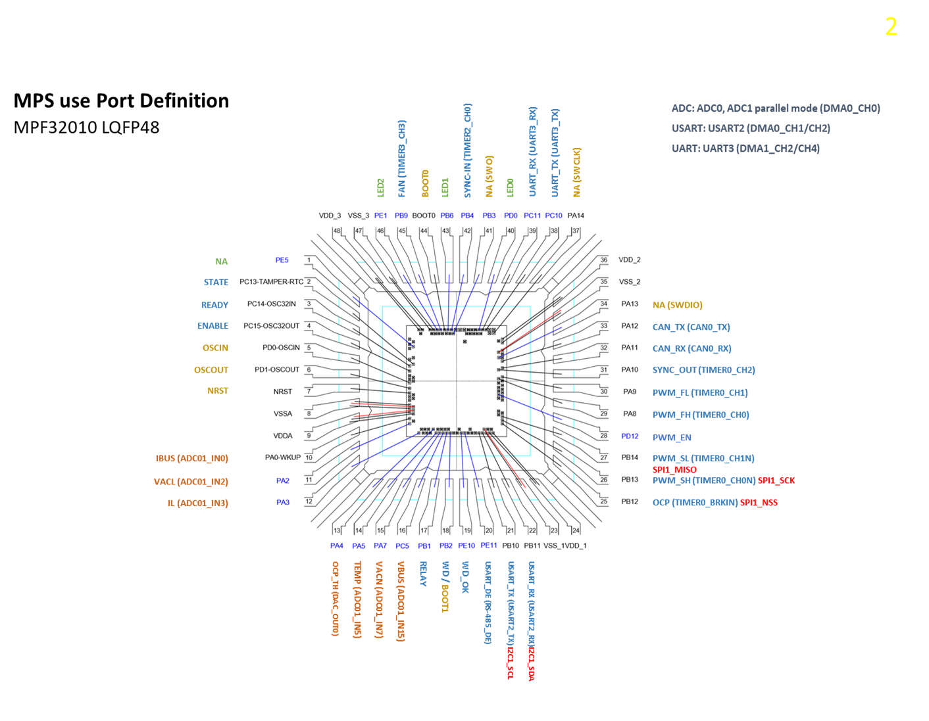
1 | 芯片功能简介
 | 芯片名称:
 | 芯片类型:LQFP48

2 | 功能模块介绍

3 | 芯片信息:
 | 1)Wafer : wafer size, die size, srible lines
 | 2)封装: 封装形式，封装图/Scoket Drawing

 |  | Wafer Size:
 |  | CHIP SIZE (包 sealring): | xxxxx um(X方向) * xxxxx um(Y方向)
 |  | Die SIZE (包sealring和scribeline): | xxxx um (X方向) *xxxx um(Y方向)
 |  | ScribeLine Width: | xx um (X方向) * xx um(Y方向)
 |  | Lower Left： | (0, 0)
 |  | Up Right： | (?, ?)
 |  | Pad Size ： | ?um * ?um
 |  | PAD Picth
 |  | Min PAD Picth ： | ? um

DC Spec
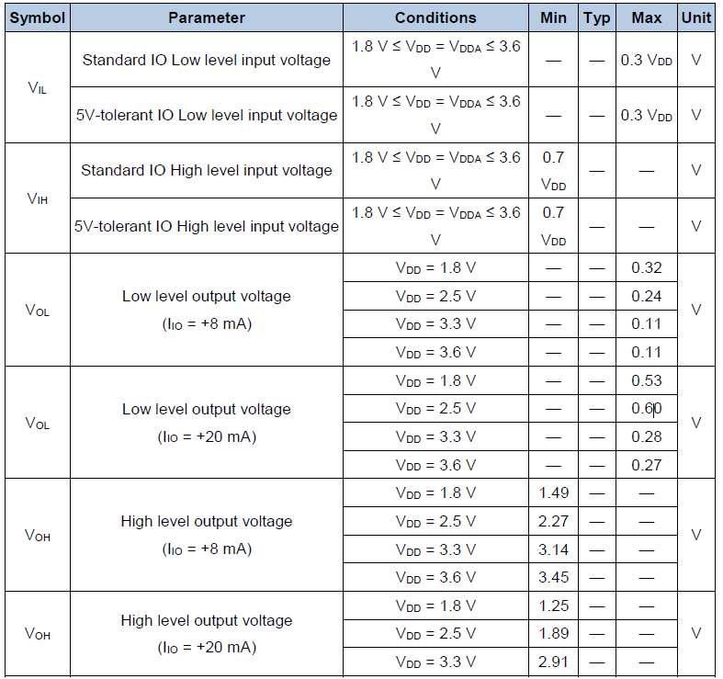
功能模块 | PIN/GROUP | Drive |  | Compare |  | Current |  |  | Drive mode | Comments
 |  | VIL | VIH | VOL | VOH | IOL | IOH | VT
OS |  | 0.00 | 0.00 | -0.9V | -0.2V | 0.00 | 0.00 | 0.00 | Largeswing-HiZ
DC |  | 0.00 | 0.7*VDD | 0.11V | 2.91V | 8mA | 0.00 |  | Largeswing-HiZ
ATPG |  | 0.00 | 2.70 | 1.00 | 2.00 | 0.00 | 0.00 | 0.00 | Largeswing-HiZ
 |  |  |  |  |  |  |  |  | Pullup
 |  |  |  |  |  |  |  |  | Pulldown

TestPlan
Test Function | Test Name | Test Pin | Test Condition |  |  |  | Test Command | Test Binary Command | Limit & Bin |  |  |  |  |  | Test Mode detail: | Test Plan Update history | Program Version Update on 7/1/2019 | Link
 |  |  | Power Voltage | Pattern | Frequency | Test Mode |  |  | Test Number | Low Limit | High Limit | Unit | SBIN | HBIN
Contact | OS_N | All IO pins | 0V | / | / | / | / | / | 10000 | -0.9 | -0.2 | V | ? | ? | PPMU test each pin open/short pull current(-100uA)
 | OS_P | All IO pins and Power pins | 0V | / | / | / | / | / | 20000 | 0.2 | 0.9 | V | ? | ? | PPMU test each pin open/short Force current(100uA)
Power Consumption | IDD | VDD ,VDDA | Max/Typ/Min | ? What's the test mode to enter max loading working mode . sleep mode and low power mode | ? | ?(MCU generally have multi-work mode ,different test need put part to each test mode. Test value in different mode are big difference) | NO available | NO available | 25000 | ? | ? | mA | ? | ? | 1.Table 4-7 About this test, many items exist on the table. Suggest pick up some type value to test, such as static consumption , max working voltage and maximum working mode, min quiet consumption, typical current under typical voltage. 2. Test plan need information on IO status setting(pull up, pull down, float) ,etc.
Power Supply Supervisor | LVDT | ? | ？ | 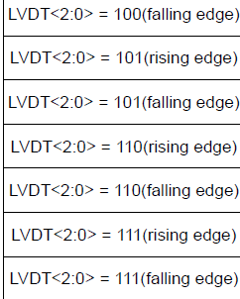 How to enter this test condition? | ？ | ？ | NO available | NO available | 30000 | Item2!A1 |  |  | ? | ? | Need supply test plan details
GPIO characteristics | VIL | ALLIO PINS ?Input (OCP, STATE /Sync_in / WD_OK, ENABLE, UART TX, USART TX?) | ？ | need test mode to config pin as input mode | ？ | ？ | GPIO READ | 0x6F 0x7D | 35000 | Item3!A1 |  | V | ? | ? | Need check need test or not. If need test use Pattern method or scan method?
 | VIH |  | ？ | need test mode to config pin as input mode | ？ | ？ | GPIO READ | 0x6F 0x7D | 40000 |  |  | V | ? | ?
 | VOL | ALLIO PINS ?OutPut (Ready, Relay, PWM_EN, PWM_SH, PWM_SL, FAN, UART RX, USART RX? ) | ？ | need test mode to config pin as output mode | ？ | ？ | GPIO LOW GPIO CUSTOM <value> | 0x6F 0X00 0x6F 0xCC 0x<value> | 45000 |  |  | V | ? | ? | 1.VDDA and VDD power up voltage under item3 condition 2. GPIO work at ouput mode, need pattern provided 3. For all output GPIO,need add 8 mA or 20 mA load(confirm both needed or only choose one)
 | VOH |  | ？ | need test mode to config pin as output mode | ？ | ？ | GPIO HIGH GPIO CUSTOM <value_decimal> | 0x6F 0XFF 0x6F 0xCC 0x<value> | 50000 |  |  | V | ? | ?
 | I/O port AC characteristics | ALLIO PINS ? | ？ | How to config GPIOx_CTL->MDy[1:0] ? | ？ | ？ | GPIO PATTERN <number_samples> <sampling_freq> | 0x6F 0xAA 0x<sample_H> 0x<sample_low> 0x<freq_high> 0x<freq_low> | 55000 |  |  | V | ? | ? | Need Test? What's the test plan?
Scan | Scan chain test |  | ? | Need Giga device provide test pattern (include level, Timing, Period) | ？ | ？ | NO available | NO available | 60000 | Pattern pass |  | / | ? | ? | 1. Set VDD and VDDA to 3.3V? 2.Set Device to Scan chain mode (Test mode ?) 3. Per pattern to give correct level on each pin. And set timing format
ADC test (1.confirm ADC Configuration 6/8/12 bits？2.All test or just choose one channel only.) | ADC_INL | Provide ADC digital data output Pin? | VDD=VDDA=3.3V | 1. Need enter ADC test mode(config file or pattern) 2. internal frequency is ADC=42MHz(config internal?) 3. ADC ouput data is read by pattern? if yes, need provide pattern or config file(Recommend use a buffer to save raw data in test mode, ATE will read it out by I2C interface) | ？ | ？ | ADC READ | 0xAD 0xFD | 65000 | / | ±3 LSB |  | ? | ? | 1. VDD=VDDA(VRE)=3.3V(Vref interal connect to VDDA, when test ADC keep VDD and VDDA the same voltage. 2. Use what pattern to config part enter ADC test mode, and set ADC freqency Fadc=42Mhz 3. send ADC_IN01 a RAMP signal( ramp from 0 to 3.3V, step size = 3.3V/ 4096; Convert Time ? How much sample points need in very step?) 4. need provide output interface with synchrous clock 5. use ADC template to caculate INL/DNL and ENOB
 | ADC_DNL |  |  |  |  |  | ADC READ | 0xAD 0xFD | 70000 | / | ±1 LSB |  | ? | ?
 | ADC_offset |  |  |  |  |  | ADC READ | 0xAD 0xFD | 75000 | / | ±1 LSB |  | ? | ?
 | ENOB |  |  |  |  |  |  |  | 80000 | 10.3bits |  |  | ? | ? | setp 1 and 2 same as above 3. input 20KHz sine waveform , what's offset? Peak-peak voltage? Test one channel only? 4.use Queters sampling theory, to caculate sample points needed. read data synchrous 5.use Dsp wave to caculate
 | SNDR |  |  |  |  |  | ADC SAMPLES <value> | 0xAD 0x5A 0x<value> | 85000 | 63.8dB |  |  | ? | ?
 | SNR |  |  |  |  |  |  |  | 90000 |  |  |  | ? | ?
 | THD |  |  |  |  |  |  |  | 95000 |  |  |  | ? | ?
DAC test | IDDA | VDDA ? | VDD=VDDA=3.3V | 1. Need DAC test mode(config file or test pattern) 2. Need set DAC to 0x800 pattern | ? | quiescent mode, With no load, middle code(0x800) on the input, VREF+= 3.6 V |  |  | 100000 |  | uA |  | ? | ? | 1. Set VDD and VDDA 3.3V(?) 2. Set Device mode to scan chain (test mode) 3. Per pattern to give correct level on each pin. And set timing format
 | DAC_INL | DAC_OUT0 |  | 1. need enter DAC test mode(config file or pattern) 2. Config DAC as 12 bit mode 3.DAC input digital data and pattern or config file | ? | ? | DAC <value_decimal> | 0xDC 0x<value_H> 0x<value_L> | 105000 | / | ±3 LSB |  | ? | ? | 1. VDD=VDDA(VERF)=3.3V(Verf connect to VDDA , when test DAC keep VDD and VDDA the same voltage. 2.config DUT enter DAC test mode. and 12-bit 3. Input data in DAC ditigal interface(which pin used to input data?), at the same time ,read voltage on DAC_OUT0, if using the method , we can use HDCTO's DAC template to test
 | DAC_DNL |  |  |  | ? | ? | DAC <value_decimal> | 0xDC 0x<value_H> 0x<value_L> | 110000 | / | ±4LSB |  | ? | ?
 | DAC_offset |  |  |  | ? | ? | DAC <value_decimal> | 0xDC 0x<value_H> 0x<value_L> | 115000 | / | ±12LSB |  | ? | ?
 | DAC_GE |  |  |  | ? | ? |  |  | 120000 | / | ±0.5 % |  | ? | ?
 | PSSR |  |  |  | ? | ? |  |  | 125000 | 55dB |  |  | ? | ? | How to debug?
UART | USART Test |  |  | UART Function pattern | ? | ? | UART TM Test message is "HELLO MPQ32010" | 0xCA Test message is "HELLO MPQ32010" | 130000 | Pattern pass |  |  | ? | ? | use a simple pattern to check, if pattern pass, indicate pass
CAN | CAN Test | loopback ? |  |  |  |  |  |  | 135000 |  |  |  | ? | ? | CAN test IO parameters only on old test plan, need test CAN other parameter?
PWM | PWM Freq Test | PA9 (PWM_FL) PA8(PWM_FH) PA14(PWM_SL) PA13(PWM_SH) | VDD=VDDA=3.3V | enter PWM test mode , config file or pattern. | ? | ? | PWM FREQ <value_decimal> Note: value is in kHz | 0x10 0xFC 0x<value> Note: value is in kHz | 140000 | ? | ? |  | ? | ? | Confirm test differential pin duty? Freqency?
 | PWM_Duty Test |  |  |  | ? | ? | PWM DC <value_decimal> Note: value has to be beteen 0 and 100 | 0x10 0xDC 0x<value> Note: value has to be beteen 0 and 100 | 145000 | ? | ? |  | ? | ?
Timer | Timer Test | ? | ? | Enter Timer test mode, config file or pattern | ？ | ？ | Can be checked using the PWM | ¿? | 150000 | ? | ? |  | ? | ? | What parameter need test? How to test? If use spec on datasheet , caculate maximum count ability（65536*65536）need 35.7S , unacceptable
FLASH( Need Test?） | Flash Memory characteristics | ? | ? | Need Giga device provide test pattern (include level, Timing, Period) |  |  | NO need | NO need | 155000 | Item4!A1 |  |  | ? | ?

NOTE： 1.Red cell need confirm test or not. 2 '?' Cell need more test information input 3.Red color text need check and supply test pattern accordingly

Commands
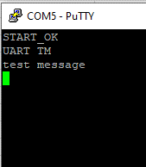
Command | Binary Command | Description | Atribute IN | Atribute OUT | Example | Example | Note
PWM ON | 0x10 0x05 | Turn ON PWM_FL, PWM_FH, PWM_SL and PWM_SH | none | pwm change & text | PWM ON | 0x10 0x05
PWM OFF | 0x10 0x0A | Turn OFF PWM_FL, PWM_FH, PWM_SL and PWM_SH | none | pwm change & text | PWM OFF | 0x10 0x0A
PWM FREQ <value_freq> | 0x10 0xFC 0x<value> | Change the PWM frequency to the <value> one, defined in kHz | <value> | pwm change & text | PWM FREQ 20 | 0x10 0x50 0x14 | Value_freq have to be expressed in kHz
PWM DT <value> | 0x10 0xD1 0x<value> | Change the PWM deadtime to <value>, when the deadtime is <value>*(1/freq) | <value> | pwm change & text | PWM DT 5 | 0x10 0xA0 0x05 | When the changed the value, the PWM stops
PWM DC <value> | 0x10 0xDC 0x<value> | Change the duty cicle, value has to be between 0 and 100 | <value> | pwm change & text | PWM DC 50 | 0x10 0xDC 0x32
ADC READ | 0xAD 0xFD | Send all the actual ADC values | none | text | ADC READ | 0xAD | In binary command, each value are 2bytes, first high then low, values are separated by value 0x20
ADC SAMPLES <value> | 0xAD 0x5A 0x<samples_high> 0x<samples_low> | Consecutive ADC samples |  | text | ADC SAMPLES 10 | 0xAD 0x5A 0x00 0x0A | In binary command, print is equal as ADC READ, but each row of samples is separated by 0x21
DAC <value> | 0xDC 0x<value_H> 0x<value_L> | Actualize the DAC value to <value>, output value will be Vout = (<value>/4096)*3,3 | <value> | gpio change & text | DAC 1035 | 0xDC 0x0D 0xE9 | In binary command, first high byte then low
GPIO READ | 0x6F 0x7D | Send the state of all input GPIO and SYNC_IN | none | text | GPIO READ | 0x6F 0x7D | In binary command only one byte is send, the last 4 bits are the state of STATE, ENABLE, WD_OK and SYNC_IN
GPIO HIGH | 0x6F 0XFF | Change the state of all output GPIO, USART_DE, SYNC_OUT and FAN to HIGH | none | gpio change & text | GPIO HIGH | 0x6F 0XFF
GPIO COSTOM <value> | 0x6F 0xCC 0x<value> | Change the state of all output GPIO as defined in <value> | <value> | gpio change & text | GPIO CUSTOM 10101 | 0x6F 0xCC 0x15 | The GPIO order is the following: SYNC_OUT, RELAY, WD, FAN, READY. In binary command one byte is send, the last 5 bits are the state, 1 means High and 0 low
GPIO PATTERN <number_samples> <sampling_freq> | 0x6F 0xAA 0x<sample_H> 0x<sample_low> 0x<freq_high> 0x<freq_low> | Consecutive status mesure of all input GPIO and SYNC_IN |  | text | GPIO PATTERN 500 2000 | 0x6F 0xAA 0x01 0xEF 0x00 0xED | Samplig_freq have to be expressed in kHz, and the max value of samples is 5000, the output values have to ben reed as GPIO READ
GPIO LOW | 0x6F 0x00 | Change the state of all output GPIO, USART_DE, SINC_OUT and FAN to LOW | none | gpio change & text | GPIO LOW | 0x6F 0x00
GPIO VIL_VIH | 0x6F 0x7F | Set as input all the pins and return their value | none | text | GPIO VIL_VIH | 0x6F 0x7F | In binary command the each bit indicate the state, in order STATE, READY, ENABLE, IBUS, VACL, IL, DAC_OUT, TEMP, VACN, RELAY, WD, UART_Tx, UART_Rx, PWM_SH, PWM_SL, PWM_FH, PWM_FL, SYNC_OUT, CAN_Rx, CAN_Tx, SYNC_IN, FAN
UART TM | 0xCA | Send TM message over RS485 (UART2) | none | text | UART TM | 0xCA | test message is "HELLO MPQ32010"
CAN TM | 0xC5 | Send TM message over CAN | none | text | CAN TM | 0xC5 | test message is "MPS" or 0x4D 0x50 0x53 and id = 0x55

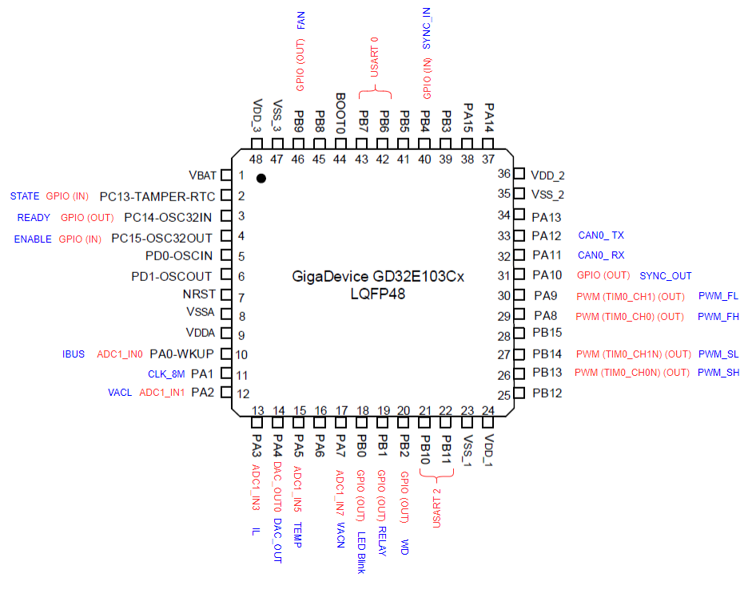
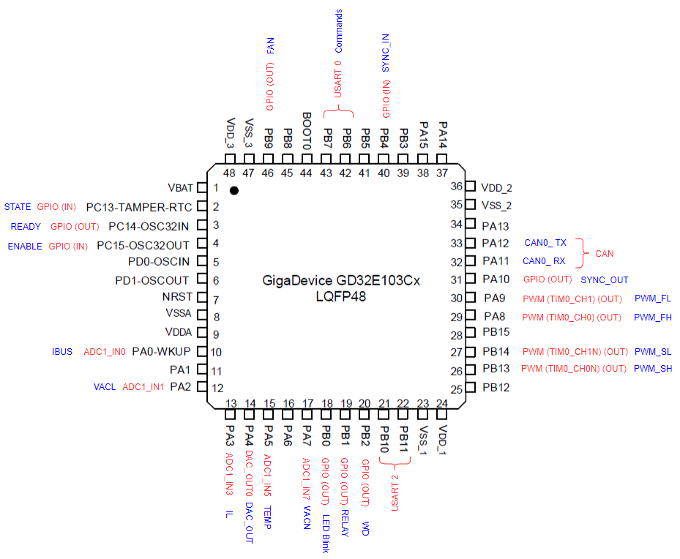
 | CAN Configuration
Example Normal command: ADC READ | Baudrate -> 500KBps
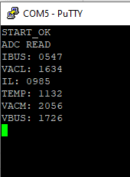

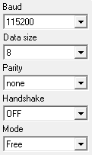
 | UART 0 & UART 2 Configuration | Update history:
 | UART 0 -> Commands | V1.0: 15-10-2020 1)Initial Release"
 |  | V1.1: 19-10-2020 1)Adding response to all the commands if they didn't return any type of data, binary ACK will be 0xAC, high end comands will have multiple responses 2)blink PB0
 | UART2 -> RS485 | V1.2: 19-10-2020 1) Fixed some bub with command "UART TM"
 |  | V1.3: 21-10-2020 1) Fix command "ADC SAMPLE"
Example Normal Command: GPIO READ |  | V1.4: 21-10-2020 1)Added command "CAN TM"
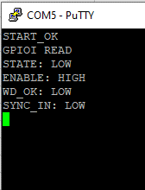
 |  | v1.5: 9-11-2020 1) Fixed bug on ADC
 | SPI Configuration | v1.6: 10-11-2020 1) Added version to the "start ok"
 | freq = 7,5MHz Endian -> MSB Frame_Size -> 16bit Polarity -> SPI_CK_PL_LOW_PH_1EDGE | v1.7: 13-11-2020 1) Fix error in ADC 2) New Command GPIO VIL_VIH 3) Now "ADC SAMPLE <value>" sends data via SPI only on Binary command
 |  | v1.8: 18-11-2020 1)Now after send "DAC <value>" on binari command, DAC value will be updated via SPI, to finish DAC test add 0xDC to the second byte in the last update value.

Example: UART TM

ExternalCircuit
1.Power

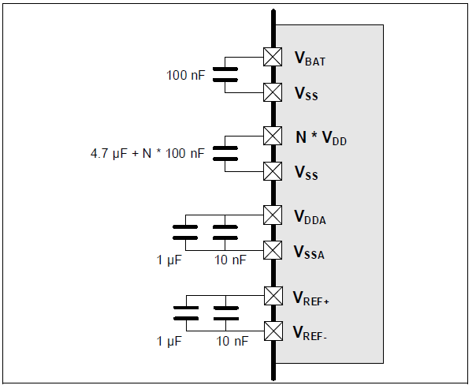

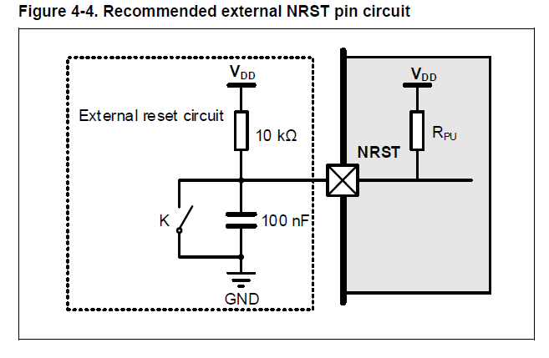
2.NRST

3.ADC

Item2
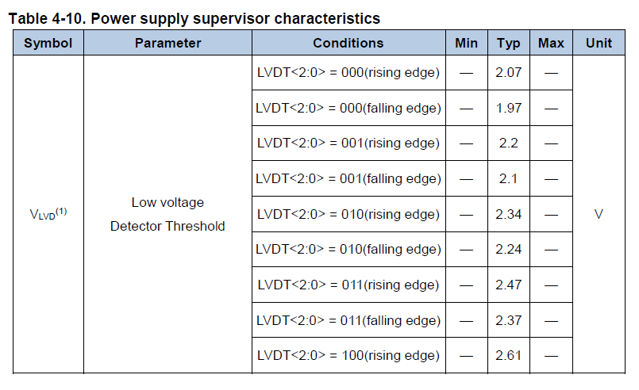

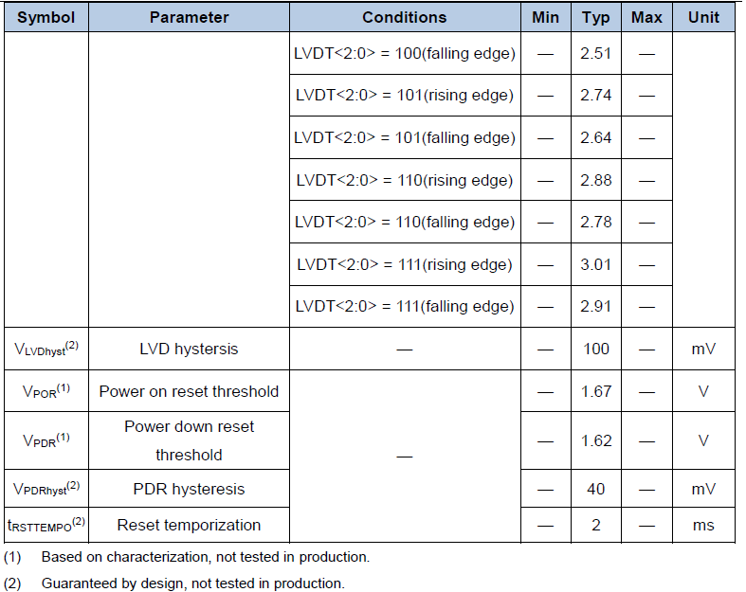

Item3
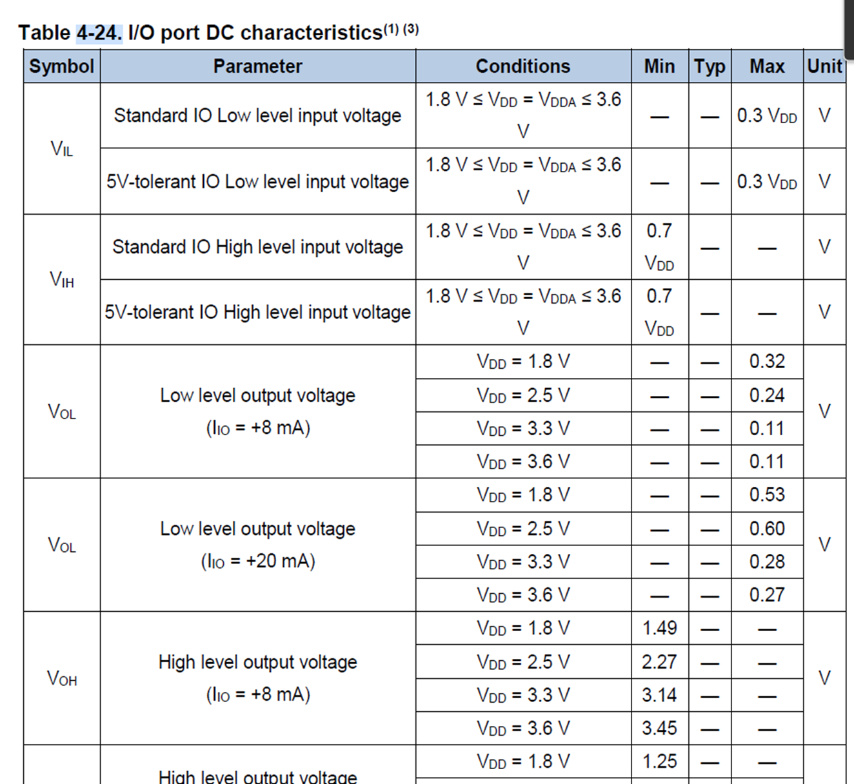
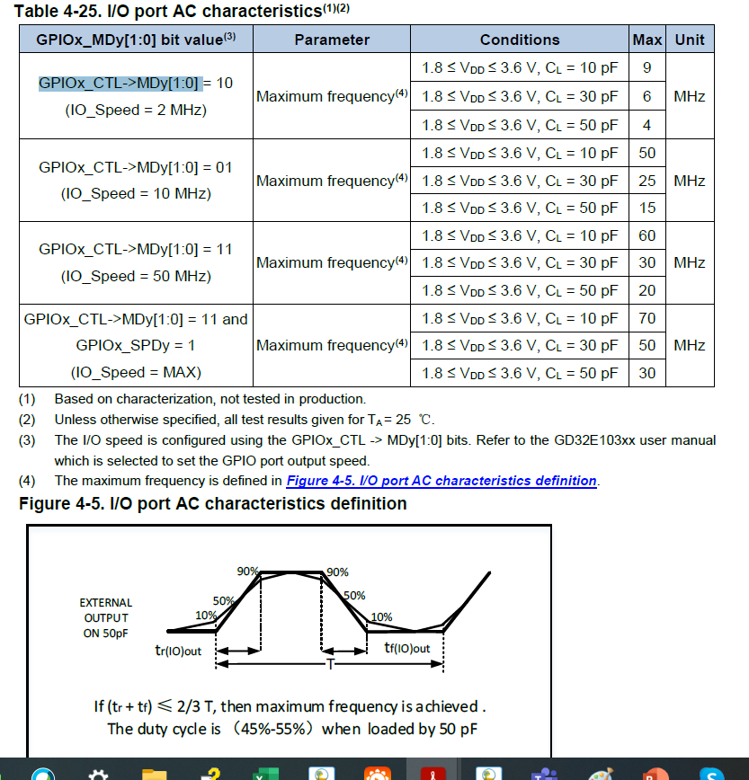

Item4
